Sheet2
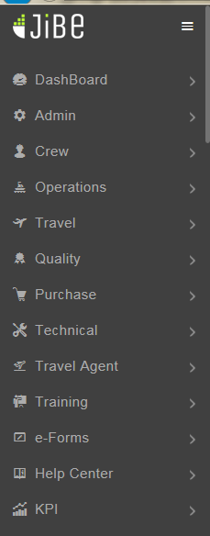
21

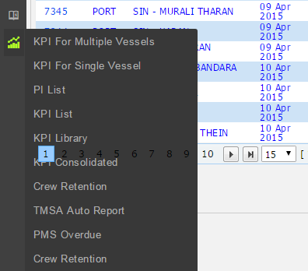
22

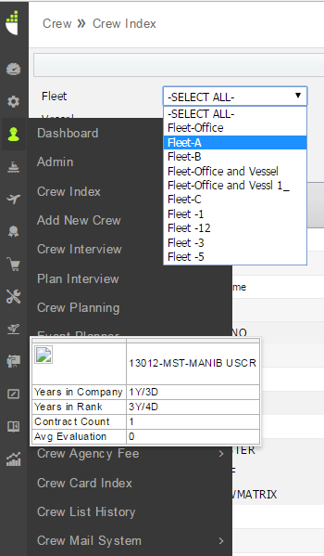
25

28
 |  |  |  | MenuDesign

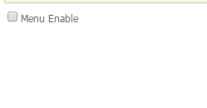
 |  |  |  |  | Local Jibe

32

33

34

 | Admin > Office Settings> Office Attachment Rule |  |  |  |  |  |  |  |  |  | Admin >Office Settings> Vessel Attachment Rule

35

 |  | Admin > Office Settings > Crew - Joining Types |  |  |  |  |  |  |  |  | Local Jibe

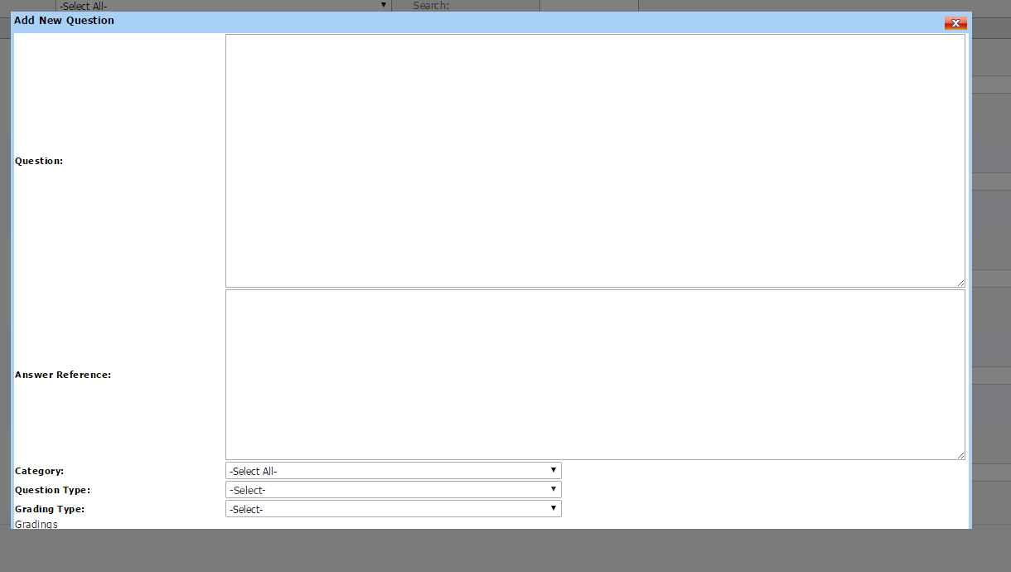
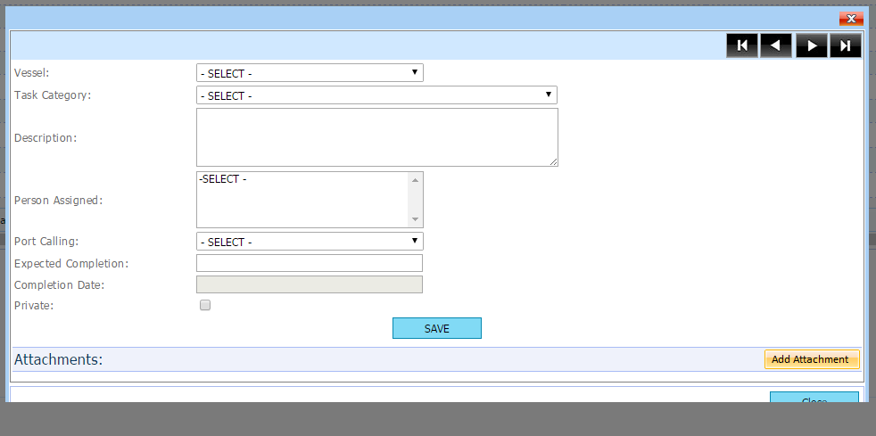
37

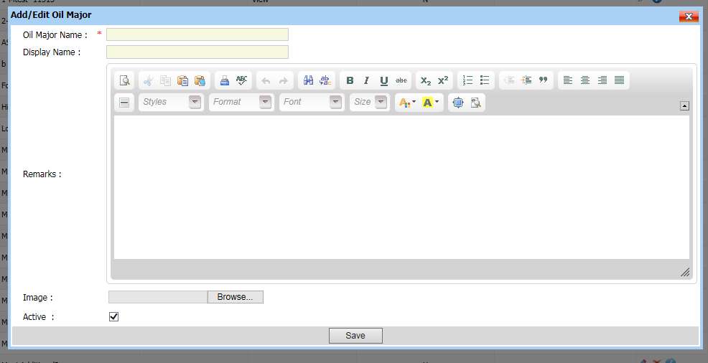
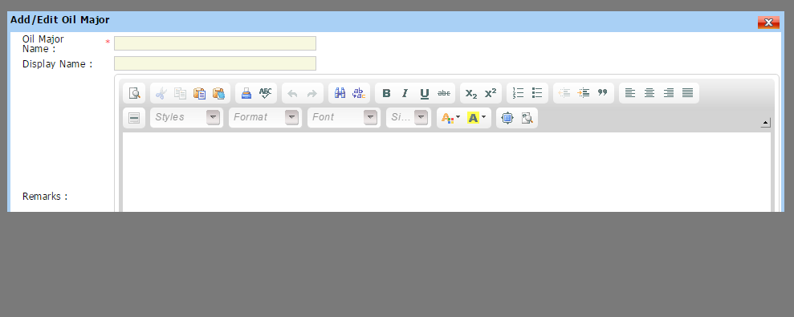
41

 |  | Crew > Admin> Oil Majors

 |  |  |  |  |  |  |  |  |  |  |  | Local Jibe

44

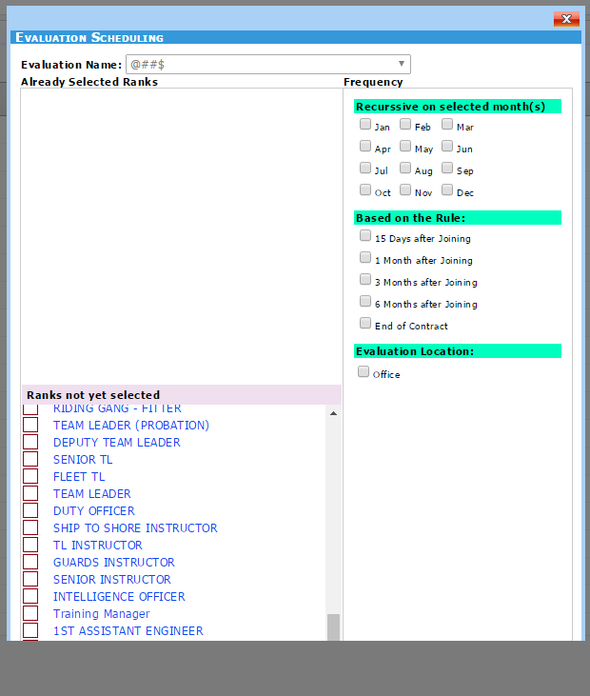
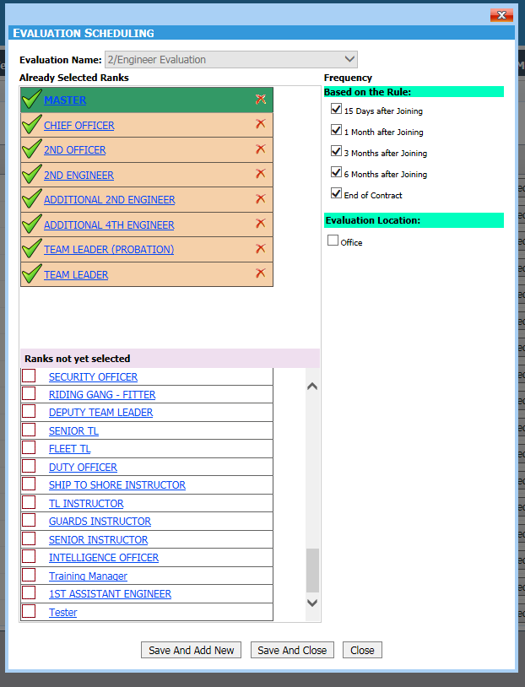
46

 | Crew >Crew Evaluation > Evaluation Planning
 |  |  |  |  |  |  |  |  | Local Jibe
67

 |  |  |  |  |  | KPI > Crew Retention New |  |  |  |  |  |  | Local Jibe

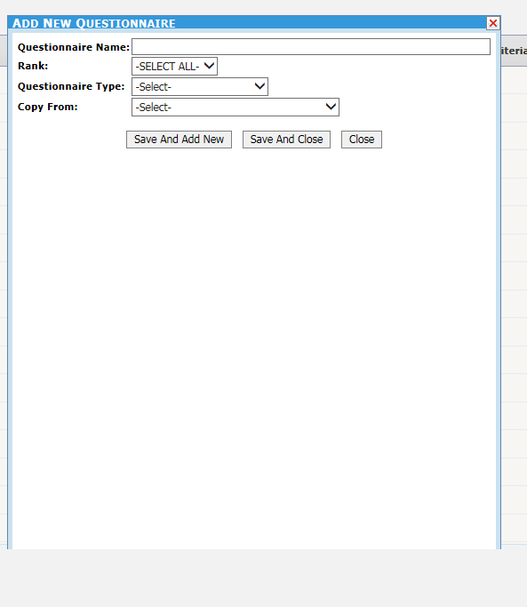
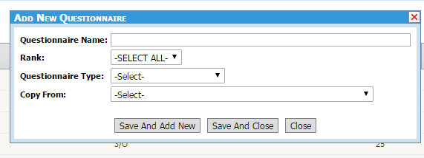
69

 |  |  |  |  |  |  |  |  |  |  | Local Jibe

 |  | Actual

70

 |  |  |  |  |  |  |  | Local Jibe
 |  | Actual

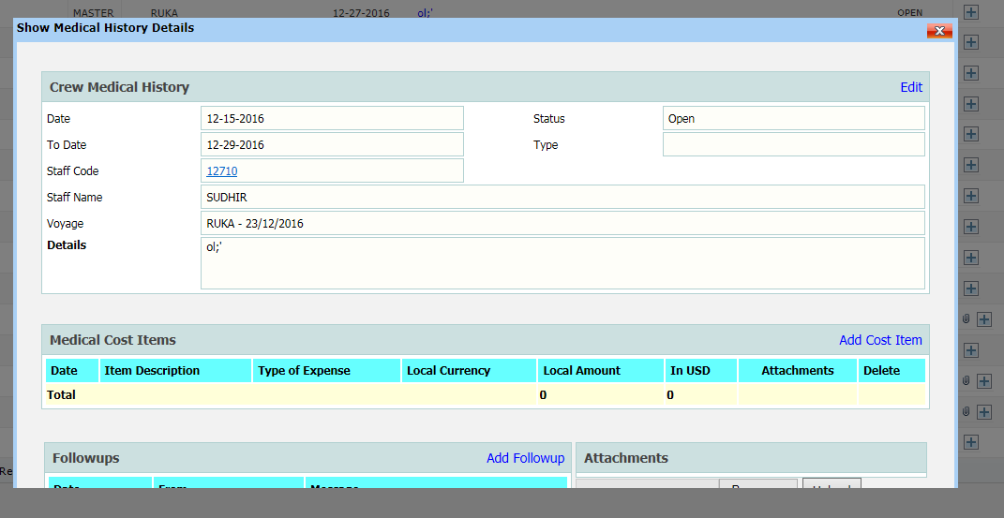
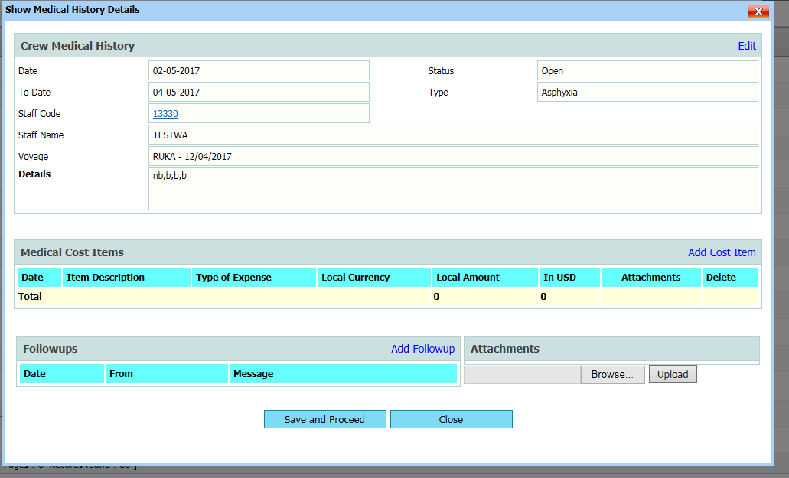
71

 |  |  |  | Actual |  |  |  |  |  |  | Local Jibe

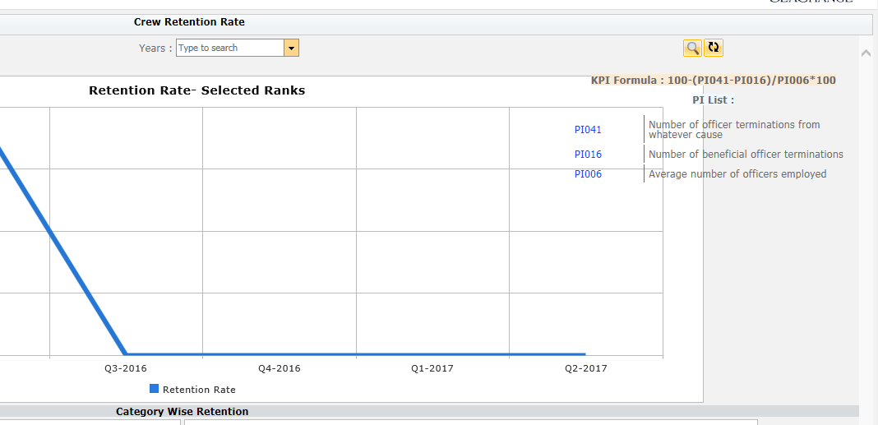
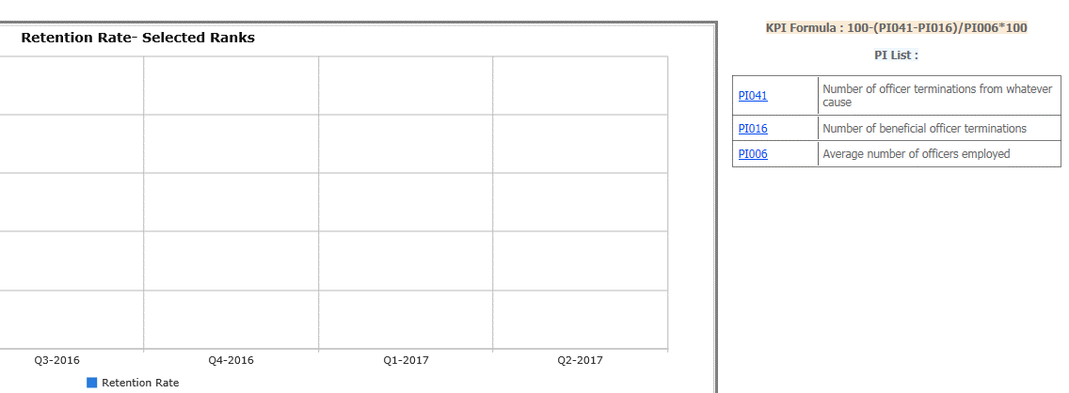
72

 |  |  | Actual
 |  |  |  |  |  |  |  |  |  | Local Jibe

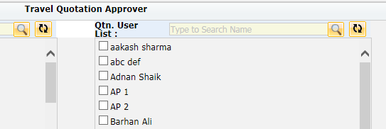
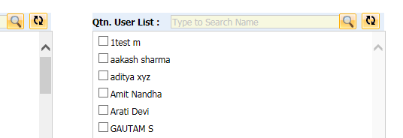
73

 |  |  | Actual |  |  |  |  |  | Local Jibe

75

 |  | Actual |  |  |  |  |  | Local Jibe

77

 |  |  | Actual |  |  |  |  |  |  | Local Jibe

78

 |  |  | Actual |  |  |  |  |  |  | Local Jibe

79

 |  |  | Actual |  |  |  |  |  |  | Local Jibe

80

 | Actual |  |  |  |  |  | Local Jibe

